Films Overview
maximum_rental_duration | minimum_rental_duration | average_rental_duration | maximum_rental_rate | minimum_rental_rate | average_rental_rate | maximum_length | minimum_length | average_length | maximum_replacement_cost | minimum_replacement_cost | average_replacement_cost
7 | 3 | 4.985 | 4.99 | 0.99 | 2.98 | 185 | 46 | 115.272 | 29.99 | 9.99 | 19.984

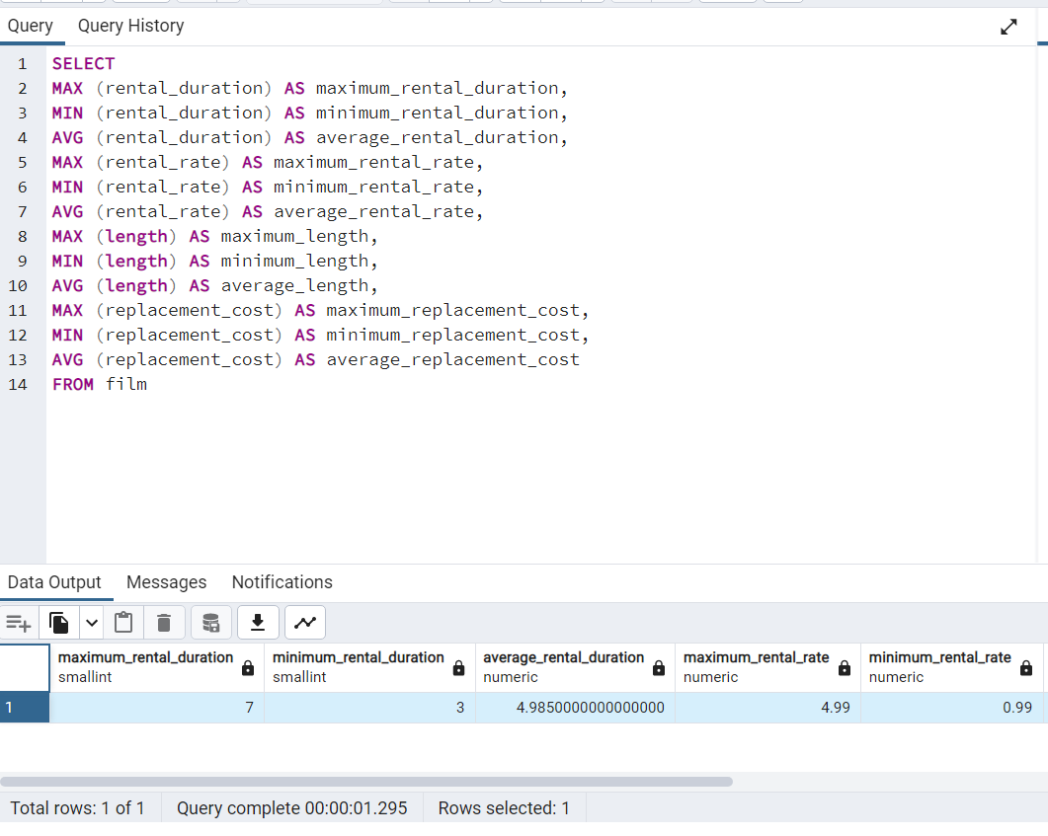
SELECT
MAX (rental_duration) AS maximum_rental_duration,
MIN (rental_duration) AS minimum_rental_duration,
AVG (rental_duration) AS average_rental_duration,
MAX (rental_rate) AS maximum_rental_rate,
MIN (rental_rate) AS minimum_rental_rate,
AVG (rental_rate) AS average_rental_rate,
MAX (length) AS maximum_length,
MIN (length) AS minimum_length,
AVG (length) AS average_length,
MAX (replacement_cost) AS maximum_replacement_cost,
MIN (replacement_cost) AS minimum_replacement_cost,
AVG (replacement_cost) AS average_replacement_cost
FROM film

Films Top Revenue
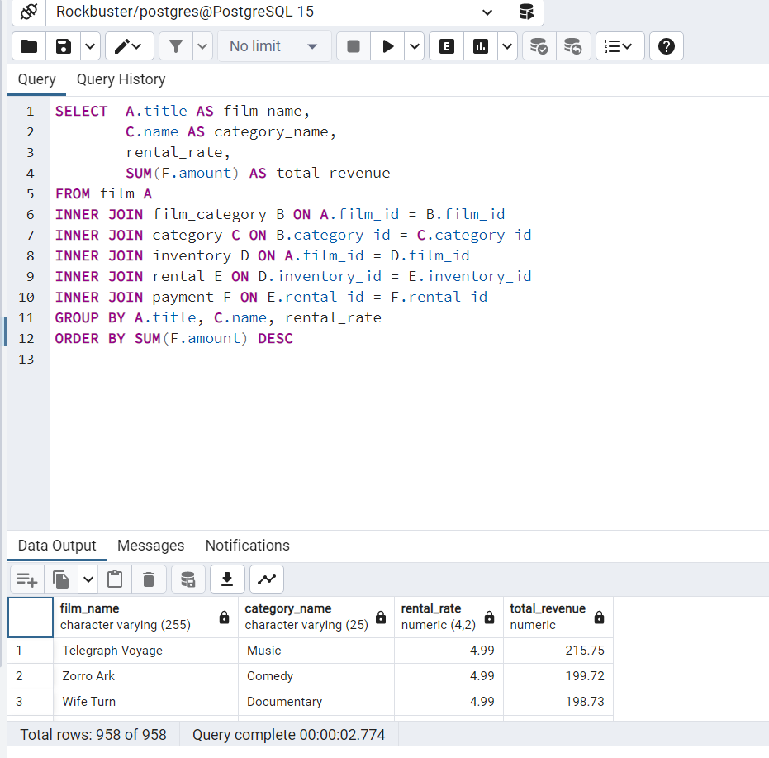
film_name | category_name | rental_rate | total_revenue | SELECT | A.title AS film_name,
Telegraph Voyage | Music | 4.99 | 215.75 |  |  | C.name AS category_name,
Zorro Ark | Comedy | 4.99 | 199.72 |  |  | rental_rate,
Wife Turn | Documentary | 4.99 | 198.73 |  |  | SUM(F.amount) AS total_revenue
Innocent Usual | Foreign | 4.99 | 191.74 | FROM film A
Hustler Party | Comedy | 4.99 | 190.78 | INNER JOIN film_category B ON A.film_id = B.film_id
Saturday Lambs | Sports | 4.99 | 190.74 | INNER JOIN category C ON B.category_id = C.category_id
Titans Jerk | Sci-Fi | 4.99 | 186.73 | INNER JOIN inventory D ON A.film_id = D.film_id
Harry Idaho | Drama | 4.99 | 177.73 | INNER JOIN rental E ON D.inventory_id = E.inventory_id
Torque Bound | Drama | 4.99 | 169.76 | INNER JOIN payment F ON E.rental_id = F.rental_id
Dogma Family | Animation | 4.99 | 168.72 | GROUP BY A.title, C.name, rental_rate
Pelican Comforts | Documentary | 4.99 | 165.77 | ORDER BY SUM(F.amount) DESC
Goodfellas Salute | Sci-Fi | 4.99 | 164.75
Fool Mockingbird | Action | 4.99 | 162.79
Apache Divine | Family | 4.99 | 160.72
Enemy Odds | Music | 4.99 | 159.75
Cat Coneheads | Comedy | 4.99 | 159.73
Scorpion Apollo | Drama | 4.99 | 158.79
Range Moonwalker | Family | 4.99 | 158.77
Scalawag Duck | Music | 4.99 | 157.71
Sunrise League | Animation | 4.99 | 155.78
Lola Agent | Horror | 4.99 | 154.77
Maiden Home | New | 4.99 | 152.78
Velvet Terminator | Comedy | 4.99 | 152.77
Closer Bang | Comedy | 4.99 | 152.76
Bucket Brotherhood | Travel | 4.99 | 150.72
Sting Personal | New | 4.99 | 149.8
Titanic Boondock | Animation | 4.99 | 149.78
Massacre Usual | Games | 4.99 | 149.75
Nightmare Chill | Games | 4.99 | 148.79
Videotape Arsenic | Games | 4.99 | 148.76
American Circus | Action | 4.99 | 146.81
Witches Panic | Drama | 4.99 | 146.75
Show Lord | Documentary | 4.99 | 145.78
Minds Truman | Action | 4.99 | 144.81
Working Microcosmos | Travel | 4.99 | 144.78
Wonderland Christmas | Sci-Fi | 4.99 | 142.79
Head Stranger | Games | 4.99 | 142.79
Whisperer Giant | Sci-Fi | 4.99 | 141.8
Forrester Comancheros | Animation | 4.99 | 141.74
Backlash Undefeated | Children | 4.99 | 140.84
Dorado Notting | Music | 4.99 | 140.78
Boogie Amelie | Music | 4.99 | 140.74
Secrets Paradise | Family | 4.99 | 139.82
Mine Titans | New | 4.99 | 138.83
Pity Bound | Drama | 4.99 | 138.77
Stagecoach Armageddon | Action | 4.99 | 138.77
Streetcar Intentions | Horror | 4.99 | 137.77
Roses Treasure | Sports | 4.99 | 137.77
Fellowship Autumn | Travel | 4.99 | 137.76
Steel Santa | Classics | 4.99 | 136.78
Confidential Interview | Music | 4.99 | 136.76
Trip Newton | Action | 4.99 | 135.74
Flintstones Happiness | Comedy | 4.99 | 134.83
Garden Island | Sci-Fi | 4.99 | 134.82
Eagles Panky | New | 4.99 | 134.81
Suit Walls | Games | 4.99 | 134.81
Flamingos Connecticut | New | 4.99 | 134.78
Attraction Newton | New | 4.99 | 133.78
Trading Pinocchio | Sports | 4.99 | 133.77
Heartbreakers Bright | Children | 4.99 | 132.8
Easy Gladiator | Action | 4.99 | 132.8
Durham Panky | Sports | 4.99 | 132.76
Moonshine Cabin | Games | 4.99 | 131.8
Name Detective | Games | 4.99 | 131.78
Drifter Commandments | Action | 4.99 | 131.78
Aladdin Calendar | Sports | 4.99 | 131.77
Coneheads Smoochy | Drama | 4.99 | 131.76
Lies Treatment | Drama | 4.99 | 131.76
Midsummer Groundhog | Documentary | 4.99 | 129.82
Details Packer | Games | 4.99 | 128.82
Queen Luke | Drama | 4.99 | 128.79
Tourist Pelican | Sports | 4.99 | 126.81
Liaisons Sweet | Travel | 4.99 | 126.79
Kiss Glory | Foreign | 4.99 | 126.79
Sabrina Midnight | Children | 4.99 | 126.79
Seattle Expecations | Drama | 4.99 | 125.8
Beauty Grease | Drama | 4.99 | 125.79
Movie Shakespeare | Family | 4.99 | 125.78
Gleaming Jawbreaker | Sports | 2.99 | 125.72
Chance Resurrection | Sports | 2.99 | 124.76
Calendar Gunfight | Foreign | 4.99 | 123.82
Heavyweights Beast | Documentary | 4.99 | 123.78
Satisfaction Confidential | Sports | 4.99 | 122.84
Yentl Idaho | Horror | 4.99 | 122.79
Coma Head | Travel | 4.99 | 122.77
Center Dinosaur | Classics | 4.99 | 121.79
Sleeping Suspects | Horror | 4.99 | 121.78
Princess Giant | Documentary | 2.99 | 121.77
Pulp Beverly | Horror | 2.99 | 121.74
Dawn Pond | Games | 4.99 | 120.83
Kissing Dolls | Action | 4.99 | 120.83
Something Duck | Drama | 4.99 | 120.82
Trap Guys | Foreign | 4.99 | 119.85
Pinocchio Simon | Comedy | 4.99 | 119.82
Rage Games | Family | 4.99 | 119.81
Bingo Talented | Sci-Fi | 2.99 | 119.75
Doors President | Animation | 4.99 | 118.82
Desert Poseidon | Horror | 4.99 | 118.81
Maltese Hope | Games | 4.99 | 118.79
Suspects Quills | Action | 2.99 | 118.73
Fidelity Devil | Horror | 4.99 | 117.82
Snatch Slipper | Comedy | 4.99 | 117.8
High Encino | Horror | 2.99 | 117.79
Waterfront Deliverance | Action | 4.99 | 116.84
Metropolis Coma | Sci-Fi | 2.99 | 116.76
Network Peak | Family | 2.99 | 116.73
Hunchback Impossible | Drama | 4.99 | 115.83
Road Roxanne | Documentary | 4.99 | 115.83
Beverly Outlaw | Sci-Fi | 2.99 | 115.79
Freddy Storm | Horror | 4.99 | 115.79
Conversation Downhill | Family | 4.99 | 114.83
Cause Date | Documentary | 2.99 | 114.81
Whale Bikini | Foreign | 4.99 | 113.85
Lady Stage | Horror | 4.99 | 113.84
Redemption Comforts | New | 2.99 | 113.8
Strictly Scarface | Comedy | 2.99 | 113.77
Secretary Rouge | Sports | 4.99 | 112.82
Agent Truman | Foreign | 2.99 | 111.81
Candles Grapes | Games | 4.99 | 111.8
Money Harold | New | 2.99 | 111.8
Mission Zoolander | Animation | 4.99 | 110.84
Interview Liaisons | New | 4.99 | 110.82
Prejudice Oleander | Classics | 4.99 | 110.81
Ridgemont Submarine | New | 0.99 | 110.72
Teen Apollo | Travel | 4.99 | 109.86
Shawshank Bubble | Travel | 4.99 | 109.81
Horn Working | Animation | 2.99 | 109.77
Arachnophobia Rollercoaster | Horror | 2.99 | 109.77
Butterfly Chocolat | New | 0.99 | 108.74
Command Darling | Foreign | 4.99 | 107.84
Ghost Groundhog | Children | 4.99 | 107.81
Philadelphia Wife | Sports | 4.99 | 107.8
Scarface Bang | Children | 4.99 | 106.84
Falcon Volume | Animation | 4.99 | 106.81
Brooklyn Desert | Foreign | 4.99 | 106.81
Spice Sorority | Drama | 4.99 | 106.81
Virtual Spoilers | Family | 4.99 | 105.87
Galaxy Sweethearts | Classics | 4.99 | 105.84
League Hellfighters | Classics | 4.99 | 105.83
Requiem Tycoon | Classics | 4.99 | 105.82
Chasing Fight | Family | 4.99 | 105.82
Secret Groundhog | Documentary | 4.99 | 105.81
Reign Gentlemen | Sci-Fi | 2.99 | 105.81
Driving Polish | Music | 4.99 | 105.81
Clueless Bucket | Action | 2.99 | 105.77
Strangers Graffiti | Horror | 4.99 | 104.86
Breakfast Goldfinger | New | 4.99 | 104.84
Jerk Paycheck | Classics | 2.99 | 104.81
Truman Crazy | Action | 4.99 | 104.8
Wash Heavenly | Foreign | 4.99 | 104.8
Arizona Bang | Classics | 2.99 | 104.79
Hanky October | Sci-Fi | 2.99 | 104.77
Tycoon Gathering | Games | 4.99 | 103.88
Sleepless Monsoon | Animation | 4.99 | 103.83
Million Ace | Classics | 4.99 | 103.83
Open African | Sci-Fi | 4.99 | 103.81
Angels Life | New | 2.99 | 103.8
Cupboard Sinners | Documentary | 2.99 | 103.78
Greatest North | Music | 2.99 | 103.73
Birds Perdition | New | 4.99 | 102.83
Undefeated Dalmations | Horror | 4.99 | 102.81
South Wait | Action | 2.99 | 102.79
Forward Temple | Games | 2.99 | 102.74
Timberland Sky | Classics | 0.99 | 102.74
Paycheck Wait | Drama | 4.99 | 101.84
Attacks Hate | Sci-Fi | 4.99 | 101.84
Expecations Natural | Travel | 4.99 | 101.83
Sweden Shining | Comedy | 4.99 | 101.83
Tomorrow Hustler | Classics | 2.99 | 101.76
Samurai Lion | New | 2.99 | 101.76
Poseidon Forever | Sports | 4.99 | 100.83
Giant Troopers | Children | 2.99 | 100.74
Invasion Cyclone | Children | 2.99 | 100.74
Confused Candles | Family | 2.99 | 99.84
Stepmom Dream | Foreign | 4.99 | 99.81
Knock Warlock | Comedy | 2.99 | 99.79
English Bulworth | Sci-Fi | 0.99 | 99.74
Hall Cassidy | Children | 4.99 | 98.84
Egg Igby | Documentary | 2.99 | 98.81
Brotherhood Blanket | Documentary | 0.99 | 98.77
Thief Pelican | Animation | 4.99 | 97.84
Jason Trap | Family | 2.99 | 97.77
Rocketeer Mother | Foreign | 0.99 | 97.72
Grit Clockwork | Games | 0.99 | 97.72
Shock Cabin | Foreign | 2.99 | 96.71
Jericho Mulan | Games | 2.99 | 95.84
Inch Jet | Animation | 4.99 | 95.82
Salute Apollo | New | 2.99 | 95.8
Gangs Pride | Animation | 2.99 | 95.78
Hyde Doctor | Classics | 2.99 | 95.76
Bilko Anonymous | Family | 4.99 | 94.88
Gold River | Comedy | 4.99 | 94.86
Mermaid Insects | Sports | 4.99 | 94.85
French Holiday | Documentary | 4.99 | 94.84
Gorgeous Bingo | Children | 2.99 | 94.83
Peak Forever | Sports | 4.99 | 94.82
Patton Interview | Horror | 2.99 | 94.79
Fargo Gandhi | Children | 2.99 | 94.79
Fish Opus | Sci-Fi | 2.99 | 94.78
Expendable Stallion | Documentary | 0.99 | 94.74
Spy Mile | Games | 2.99 | 94.73
Day Unfaithful | New | 4.99 | 93.88
Sugar Wonka | Animation | 4.99 | 93.85
Pickup Driving | Sports | 2.99 | 93.85
Bear Graceland | Children | 2.99 | 93.81
Camelot Vacation | Sci-Fi | 0.99 | 93.76
Sweethearts Suspects | Children | 0.99 | 93.73
West Lion | Drama | 4.99 | 92.86
Hanging Deep | Drama | 4.99 | 92.85
Core Suit | Classics | 2.99 | 92.84
Jet Neighbors | Foreign | 4.99 | 92.83
Hellfighters Sierra | Foreign | 2.99 | 92.81
Fatal Haunted | New | 2.99 | 92.77
Silverado Goldfinger | Sci-Fi | 4.99 | 91.88
Destiny Saturday | New | 4.99 | 91.85
Balloon Homeward | Music | 2.99 | 91.78
Dude Blindness | Sports | 4.99 | 90.87
Wizard Coldblooded | Music | 4.99 | 90.85
Ice Crossing | Games | 2.99 | 90.78
Pure Runner | Comedy | 2.99 | 89.85
Coldblooded Darling | Sci-Fi | 4.99 | 89.84
Igby Maker | Travel | 4.99 | 89.83
Vacation Boondock | Sci-Fi | 2.99 | 89.81
Memento Zoolander | Comedy | 4.99 | 88.87
Rocky War | Drama | 4.99 | 88.87
Candidate Perdition | Classics | 2.99 | 88.82
Metal Armageddon | Documentary | 2.99 | 88.79
Telemark Heartbreakers | Animation | 2.99 | 88.76
Idols Snatchers | Children | 2.99 | 88.76
Behavior Runaway | Horror | 4.99 | 87.89
Flash Wars | New | 4.99 | 87.88
Bright Encounters | Drama | 4.99 | 87.88
Hysterical Grail | Sports | 4.99 | 87.85
Darn Forrester | Action | 4.99 | 87.83
Basic Easy | Travel | 2.99 | 87.8
Color Philadelphia | Classics | 2.99 | 87.78
Oz Liaisons | Animation | 2.99 | 87.78
Panky Submarine | Games | 4.99 | 86.88
Airport Pollock | Horror | 4.99 | 86.85
Slacker Liaisons | Drama | 4.99 | 86.84
Virgin Daisy | Drama | 4.99 | 86.84
Seabiscuit Punk | Sports | 2.99 | 86.76
Muscle Bright | Travel | 2.99 | 86.73
Juggler Hardly | Animation | 0.99 | 86.71
Daisy Menagerie | Sci-Fi | 4.99 | 85.86
Steers Armageddon | Sports | 4.99 | 85.85
Robbers Joon | Children | 2.99 | 85.74
Conquerer Nuts | Drama | 4.99 | 84.87
Chicago North | Games | 4.99 | 84.85
Sea Virgin | Drama | 2.99 | 84.81
Alien Center | Foreign | 2.99 | 84.8
Barbarella Streetcar | Sci-Fi | 2.99 | 84.78
Married Go | Sci-Fi | 2.99 | 84.74
Pittsburgh Hunchback | Family | 4.99 | 83.89
Panther Reds | Sci-Fi | 4.99 | 83.86
Loser Hustler | Sports | 4.99 | 83.86
Sagebrush Clueless | Documentary | 2.99 | 83.86
Dying Maker | Comedy | 4.99 | 83.85
Forrest Sons | Action | 2.99 | 83.83
Star Operation | Sports | 2.99 | 83.8
Affair Prejudice | Horror | 2.99 | 83.79
Oscar Gold | Animation | 2.99 | 83.75
Airplane Sierra | Comedy | 4.99 | 82.85
Holiday Games | Foreign | 4.99 | 82.85
Musketeers Wait | Classics | 4.99 | 82.85
Casablanca Super | Travel | 4.99 | 82.84
Hurricane Affair | Comedy | 2.99 | 82.77
Paths Control | Drama | 4.99 | 81.9
Hanover Galaxy | Music | 4.99 | 81.86
Campus Remember | Action | 2.99 | 81.83
Rush Goodfellas | Family | 0.99 | 81.72
Dragonfly Strangers | New | 4.99 | 80.86
Peach Innocent | Sports | 2.99 | 80.86
Human Graffiti | Games | 2.99 | 80.85
Orient Closer | Drama | 2.99 | 80.83
Vanishing Rocky | Music | 2.99 | 80.83
Wardrobe Phantom | Drama | 2.99 | 80.77
Operation Operation | Comedy | 2.99 | 80.75
Betrayed Rear | Children | 4.99 | 79.87
Edge Kissing | Drama | 4.99 | 79.87
Bikini Borrowers | Animation | 4.99 | 79.86
Carol Texas | Animation | 2.99 | 79.83
Paradise Sabrina | Comedy | 2.99 | 79.82
Strangelove Desire | Children | 0.99 | 79.78
None Spiking | Sci-Fi | 0.99 | 79.75
Super Wyoming | Family | 4.99 | 78.88
Rules Human | Horror | 4.99 | 78.87
Submarine Bed | Comedy | 4.99 | 78.87
Devil Desire | Action | 4.99 | 78.86
Groundhog Uncut | Comedy | 4.99 | 78.86
Jekyll Frogmen | New | 2.99 | 78.84
Intentions Empire | Animation | 2.99 | 78.83
Murder Antitrust | Children | 2.99 | 78.79
Blackout Private | Animation | 2.99 | 78.77
Contact Anonymous | Travel | 2.99 | 78.76
Tracy Cider | Animation | 0.99 | 78.76
Deer Virginian | Music | 2.99 | 78.76
Raging Airplane | Sci-Fi | 4.99 | 77.88
Quills Bull | Documentary | 4.99 | 77.87
Creepers Kane | Classics | 4.99 | 77.87
Northwest Polish | Sports | 2.99 | 77.82
Flying Hook | Animation | 2.99 | 77.81
Quest Mussolini | Action | 2.99 | 77.8
Harper Dying | Animation | 0.99 | 77.8
Disturbing Scarface | Sci-Fi | 2.99 | 77.77
Clash Freddy | Animation | 2.99 | 77.77
Horror Reign | Travel | 0.99 | 77.75
Lose Inch | Foreign | 0.99 | 77.74
Model Fish | Children | 4.99 | 76.87
Tuxedo Mile | Sports | 2.99 | 76.87
Image Princess | Sports | 2.99 | 76.86
Wanda Chamber | Games | 4.99 | 76.86
Lawless Vision | Animation | 4.99 | 76.86
Grinch Massage | Games | 4.99 | 76.86
Baked Cleopatra | Family | 2.99 | 76.85
National Story | Documentary | 2.99 | 76.83
Sleepy Japanese | New | 2.99 | 76.83
Unbreakable Karate | New | 0.99 | 76.81
Shakespeare Saddle | Sports | 2.99 | 76.8
Badman Dawn | Sci-Fi | 2.99 | 76.79
Island Exorcist | Classics | 2.99 | 76.77
Connecticut Tramp | Sci-Fi | 4.99 | 75.89
Moonwalker Fool | Games | 4.99 | 75.89
Deep Crusade | Documentary | 4.99 | 75.87
Holes Brannigan | Sports | 4.99 | 75.86
Searchers Wait | Comedy | 2.99 | 75.86
Sons Interview | Animation | 2.99 | 75.85
Trojan Tomorrow | Sci-Fi | 2.99 | 75.82
Blues Instinct | Family | 2.99 | 75.82
Atlantis Cause | Family | 2.99 | 75.79
Malkovich Pet | Classics | 2.99 | 75.77
Autumn Crow | Games | 4.99 | 74.9
Birch Antitrust | Music | 4.99 | 74.89
Impossible Prejudice | Foreign | 4.99 | 74.86
Lust Lock | Action | 2.99 | 74.82
Flatliners Killer | Sports | 2.99 | 74.81
Crossroads Casualties | Animation | 2.99 | 74.8
Escape Metropolis | Travel | 2.99 | 74.77
Frost Head | Classics | 0.99 | 74.72
Thin Sagebrush | Documentary | 4.99 | 73.89
California Birds | Sports | 4.99 | 73.89
Pluto Oleander | New | 4.99 | 73.87
Words Hunter | Music | 2.99 | 73.86
Outlaw Hanky | Travel | 4.99 | 73.86
Wait Cider | Animation | 0.99 | 73.82
Fantasia Park | Games | 2.99 | 73.81
Dream Pickup | Action | 2.99 | 73.8
Half Outfield | Family | 2.99 | 73.79
Darko Dorado | Action | 4.99 | 72.9
Hope Tootsie | Classics | 2.99 | 72.83
Berets Agent | Action | 2.99 | 72.8
Downhill Enough | Comedy | 0.99 | 72.79
Cincinatti Whisperer | Sci-Fi | 4.99 | 71.89
Alabama Devil | Horror | 2.99 | 71.88
Blindness Gun | Sci-Fi | 4.99 | 71.87
Jacket Frisco | Drama | 2.99 | 71.84
Weekend Personal | Sci-Fi | 2.99 | 71.83
Wedding Apollo | Documentary | 0.99 | 71.79
Jeepers Wedding | Classics | 2.99 | 70.87
Saturn Name | Comedy | 4.99 | 70.87
Confessions Maguire | Drama | 4.99 | 70.87
Ferris Mother | Comedy | 2.99 | 70.85
Remember Diary | Family | 2.99 | 70.83
Trouble Date | Travel | 2.99 | 70.81
Others Soup | Travel | 2.99 | 70.8
Gentlemen Stage | Foreign | 2.99 | 70.8
Amistad Midsummer | New | 2.99 | 70.79
Mallrats United | Comedy | 0.99 | 70.78
Ties Hunger | Children | 4.99 | 69.91
Daughter Madigan | Children | 4.99 | 69.91
Beast Hunchback | Classics | 4.99 | 69.9
Vampire Whale | New | 4.99 | 69.89
Comforts Rush | Travel | 2.99 | 69.85
Instinct Airport | Sports | 2.99 | 69.83
Werewolf Lola | Action | 4.99 | 68.88
Flight Lies | Sports | 4.99 | 68.88
Idaho Love | New | 2.99 | 68.85
Eyes Driving | Sci-Fi | 2.99 | 68.84
Bringing Hysterical | Comedy | 2.99 | 68.81
Hobbit Alien | Drama | 0.99 | 68.74
Amelie Hellfighters | Music | 4.99 | 67.9
Liberty Magnificent | Sports | 2.99 | 67.89
Dinosaur Secretary | Family | 2.99 | 67.81
Jumping Wrath | Children | 0.99 | 67.79
Goldfinger Sensibility | Drama | 0.99 | 67.79
Graffiti Love | Sci-Fi | 0.99 | 67.74
Rugrats Shakespeare | Action | 0.99 | 67.72
Caribbean Liberty | Sports | 4.99 | 66.92
Twisted Pirates | Children | 4.99 | 66.89
Home Pity | Music | 4.99 | 66.88
Past Suicides | Foreign | 4.99 | 66.88
Dangerous Uptown | Foreign | 4.99 | 66.88
Boiled Dares | Travel | 4.99 | 66.87
Charade Duffel | Sci-Fi | 2.99 | 66.87
Zoolander Fiction | Children | 2.99 | 66.85
Worst Banger | Action | 2.99 | 66.85
Egypt Tenenbaums | Horror | 0.99 | 66.84
Pollock Deliverance | Foreign | 2.99 | 66.82
Wonka Sea | Animation | 2.99 | 66.82
Stranger Strangers | Children | 4.99 | 65.9
War Notting | Foreign | 4.99 | 65.88
Chamber Italian | Music | 4.99 | 65.88
Usual Untouchables | Foreign | 4.99 | 65.88
Lonely Elephant | Comedy | 2.99 | 65.87
Chariots Conspiracy | Sci-Fi | 2.99 | 65.81
House Dynamite | Family | 2.99 | 65.8
Snowman Rollercoaster | Animation | 0.99 | 65.79
Madness Attacks | Foreign | 0.99 | 65.77
Elephant Trojan | Horror | 4.99 | 64.9
Fiddler Lost | Sci-Fi | 4.99 | 64.9
Gunfighter Mussolini | Sports | 2.99 | 64.89
Madison Trap | Documentary | 2.99 | 64.87
Divine Resurrection | Games | 2.99 | 64.85
Swarm Gold | Horror | 0.99 | 64.77
Anthem Luke | Comedy | 4.99 | 63.89
Daddy Pittsburgh | Comedy | 4.99 | 63.89
Mother Oleander | Sports | 0.99 | 63.87
Bill Others | Documentary | 2.99 | 63.82
Champion Flatliners | Animation | 4.99 | 62.9
Games Bowfinger | Travel | 4.99 | 62.88
Lovely Jingle | Classics | 2.99 | 62.87
Potter Connecticut | Animation | 2.99 | 62.85
Driver Annie | Sports | 2.99 | 62.84
Gaslight Crusade | Horror | 2.99 | 62.84
Reap Unfaithful | Horror | 2.99 | 62.84
Neighbors Charade | Sports | 0.99 | 62.83
Lebowski Soldiers | Drama | 2.99 | 62.82
Wrong Behavior | Children | 2.99 | 62.8
Detective Vision | Classics | 0.99 | 62.76
Loathing Legally | Classics | 0.99 | 62.74
Casualties Encino | Action | 4.99 | 61.92
Wyoming Storm | New | 4.99 | 61.89
Alone Trip | Music | 0.99 | 61.83
Insider Arizona | Music | 2.99 | 61.83
Pond Seattle | Animation | 2.99 | 61.82
Divide Monster | Sci-Fi | 2.99 | 61.8
Excitement Eve | Action | 0.99 | 61.8
Orange Grapes | Foreign | 0.99 | 61.78
Spartacus Cheaper | Family | 4.99 | 60.91
Opus Ice | Foreign | 4.99 | 60.9
Noon Papi | Children | 2.99 | 60.85
Earring Instinct | Family | 0.99 | 60.83
Sinners Atlantis | Horror | 2.99 | 60.81
Dynamite Tarzan | Classics | 0.99 | 60.77
Family Sweet | Horror | 0.99 | 60.73
King Evolution | Family | 4.99 | 59.92
Jingle Sagebrush | Classics | 4.99 | 59.89
Born Spinal | Travel | 4.99 | 59.88
Jaws Harry | Comedy | 2.99 | 59.87
Artist Coldblooded | Sports | 2.99 | 59.86
Manchurian Curtain | Family | 2.99 | 59.86
Nemo Campus | Sci-Fi | 2.99 | 59.86
Honey Ties | Sports | 0.99 | 59.84
Clones Pinocchio | Music | 2.99 | 59.83
Barefoot Manchurian | Action | 2.99 | 59.83
Homicide Peach | Family | 2.99 | 59.82
Smile Earring | Travel | 2.99 | 58.9
Sweet Brotherhood | Travel | 2.99 | 58.89
Nash Chocolat | Animation | 2.99 | 58.87
Fury Murder | Children | 0.99 | 58.83
Doom Dancing | Comedy | 0.99 | 58.83
Chicken Hellfighters | Documentary | 0.99 | 58.81
Fiction Christmas | Foreign | 0.99 | 58.81
Packer Madigan | Animation | 0.99 | 58.8
Hills Neighbors | Action | 0.99 | 58.79
Lambs Cincinatti | Games | 4.99 | 57.9
Temple Attraction | Horror | 4.99 | 57.9
October Submarine | Classics | 4.99 | 57.9
Sierra Divide | Sports | 0.99 | 57.85
Fireball Philadelphia | Comedy | 0.99 | 57.81
Brannigan Sunrise | New | 4.99 | 56.91
Element Freddy | Comedy | 4.99 | 56.9
Meet Chocolate | Foreign | 2.99 | 56.89
Fugitive Maguire | Travel | 4.99 | 56.89
Bowfinger Gables | Horror | 4.99 | 56.89
Opposite Necklace | Family | 4.99 | 56.89
Massage Image | Animation | 2.99 | 56.89
Identity Lover | Sci-Fi | 2.99 | 56.88
Turn Star | Animation | 2.99 | 56.88
Creatures Shakespeare | Games | 0.99 | 56.84
Boulevard Mob | New | 0.99 | 56.84
Cider Desire | Documentary | 2.99 | 56.83
River Outlaw | Sports | 0.99 | 56.82
Double Wrath | Animation | 0.99 | 56.79
Grapes Fury | Foreign | 0.99 | 56.77
State Wasteland | Games | 2.99 | 55.89
Beach Heartbreakers | Documentary | 2.99 | 55.86
Analyze Hoosiers | Horror | 2.99 | 55.86
Mummy Creatures | Sports | 0.99 | 55.85
Greek Everyone | Foreign | 2.99 | 55.83
Straight Hours | Sports | 0.99 | 55.81
Magnificent Chitty | Classics | 2.99 | 54.92
Monsoon Cause | Games | 4.99 | 54.91
Ali Forever | Horror | 4.99 | 54.91
Lover Truman | Classics | 2.99 | 54.91
Racer Egg | Drama | 2.99 | 54.83
Outfield Massacre | Music | 0.99 | 54.82
Dalmations Sweden | Drama | 0.99 | 54.82
Tights Dawn | Sports | 0.99 | 54.76
Nuts Ties | New | 4.99 | 53.91
Frisco Forrest | Sci-Fi | 4.99 | 53.91
Bird Independence | Travel | 4.99 | 53.91
Circus Youth | Children | 2.99 | 53.86
Jade Bunch | Sports | 2.99 | 53.85
Perfect Groove | Comedy | 2.99 | 53.84
Fight Jawbreaker | Animation | 0.99 | 53.8
Mockingbird Hollywood | Action | 0.99 | 53.78
Ace Goldfinger | Horror | 4.99 | 52.93
Guys Falcon | Sci-Fi | 4.99 | 52.92
Doubtfire Labyrinth | Foreign | 4.99 | 52.91
Vanilla Day | Games | 4.99 | 52.91
Right Cranes | Classics | 4.99 | 52.9
Sensibility Rear | Family | 4.99 | 52.9
Purple Movie | Foreign | 2.99 | 52.88
Shane Darkness | Travel | 2.99 | 52.87
Patriot Roman | Action | 2.99 | 52.85
Willow Tracy | Family | 2.99 | 52.85
Gilmore Boiled | Classics | 0.99 | 52.76
Panic Club | Horror | 4.99 | 51.93
North Tequila | Documentary | 4.99 | 51.91
Pilot Hoosiers | Family | 2.99 | 51.86
Moulin Wake | Travel | 0.99 | 51.84
Enough Raging | Travel | 2.99 | 51.84
Rouge Squad | Games | 0.99 | 51.84
Anaconda Confessions | Animation | 0.99 | 51.82
Karate Moon | Horror | 0.99 | 51.8
Iron Moon | Classics | 4.99 | 50.9
Chisum Behavior | Family | 4.99 | 50.9
Lost Bird | Foreign | 2.99 | 50.9
Window Side | Travel | 2.99 | 50.89
Reunion Witches | Drama | 0.99 | 50.82
Annie Identity | Sci-Fi | 0.99 | 50.81
Sun Confessions | Sci-Fi | 0.99 | 50.77
Handicap Boondock | Action | 0.99 | 50.76
Bound Cheaper | Classics | 0.99 | 50.76
Valley Packer | Comedy | 0.99 | 49.88
Exorcist Sting | Sports | 2.99 | 49.88
Mask Peach | New | 2.99 | 49.86
Heaven Freedom | Comedy | 2.99 | 49.85
Novocaine Flight | Sports | 0.99 | 49.82
Chocolat Harry | Family | 0.99 | 49.81
Dancing Fever | Documentary | 0.99 | 49.76
Park Citizen | Action | 4.99 | 48.94
Gosford Donnie | Action | 4.99 | 48.92
Madigan Dorado | Travel | 4.99 | 48.92
Mod Secretary | Documentary | 4.99 | 48.91
Rider Caddyshack | Sports | 2.99 | 48.89
Monster Spartacus | Music | 2.99 | 48.86
Varsity Trip | New | 2.99 | 48.84
Rock Instinct | Horror | 0.99 | 48.83
Kick Savannah | Travel | 0.99 | 48.83
Sleuth Orient | Games | 0.99 | 48.81
Slums Duck | Family | 0.99 | 48.78
Sense Greek | Sports | 4.99 | 47.93
Reds Pocus | Music | 4.99 | 47.92
Kramer Chocolate | Sports | 2.99 | 47.91
African Egg | Thriller | 2.99 | 47.89
Madre Gables | Games | 2.99 | 47.87
Dirty Ace | Games | 2.99 | 47.87
Worker Tarzan | Travel | 2.99 | 47.86
Gables Metropolis | Family | 0.99 | 47.83
Haunting Pianist | Games | 0.99 | 47.8
Virginian Pluto | Documentary | 0.99 | 47.75
Grosse Wonderful | Music | 4.99 | 46.92
Wonderful Drop | Foreign | 2.99 | 46.92
Trainspotting Strangers | Comedy | 4.99 | 46.91
Stage World | Comedy | 2.99 | 46.9
Shrunk Divine | Action | 2.99 | 46.87
Alley Evolution | Foreign | 2.99 | 46.87
Town Ark | Foreign | 2.99 | 46.87
Caddyshack Jedi | Action | 0.99 | 46.86
Troopers Metal | New | 0.99 | 46.86
Indian Love | Family | 0.99 | 46.85
Newton Labyrinth | Foreign | 0.99 | 46.84
Gunfight Moon | Comedy | 0.99 | 46.79
Clerks Angels | Documentary | 4.99 | 45.94
Casper Dragonfly | Children | 4.99 | 45.93
Bugsy Song | Foreign | 2.99 | 45.91
Lolita World | Family | 2.99 | 45.91
Darkness War | Drama | 2.99 | 45.88
Uprising Uptown | Action | 2.99 | 45.87
Pirates Roxanne | Sports | 0.99 | 45.81
Crusade Honey | Sports | 2.99 | 44.93
Darling Breaking | Games | 4.99 | 44.92
Speed Suit | Travel | 4.99 | 44.92
Ship Wonderland | Documentary | 2.99 | 44.86
Hours Rage | New | 0.99 | 44.82
Drop Waterfront | Sports | 4.99 | 43.92
Anything Savannah | Horror | 2.99 | 43.92
Potluck Mixed | Animation | 2.99 | 43.9
Microcosmos Paradise | Children | 2.99 | 43.88
Cyclone Family | Foreign | 2.99 | 43.87
Personal Ladybugs | Music | 0.99 | 43.87
Shanghai Tycoon | Travel | 2.99 | 43.86
Freaky Pocus | Music | 2.99 | 43.86
United Pilot | Documentary | 0.99 | 43.85
Go Purple | Music | 0.99 | 43.83
Pacific Amistad | Documentary | 0.99 | 43.81
Goldmine Tycoon | Sci-Fi | 0.99 | 43.76
Ishtar Rocketeer | Animation | 4.99 | 42.94
Run Pacific | New | 0.99 | 42.91
Wars Pluto | Documentary | 2.99 | 42.9
Express Lonely | Sci-Fi | 2.99 | 42.88
Modern Dorado | Documentary | 0.99 | 42.88
Scissorhands Slums | Foreign | 2.99 | 42.88
Stock Glass | New | 2.99 | 42.87
Entrapment Satisfaction | Action | 0.99 | 42.87
Uncut Suicides | Music | 2.99 | 42.87
Graduate Lord | Children | 2.99 | 42.87
Lock Rear | Travel | 2.99 | 42.86
Kwai Homeward | Drama | 0.99 | 42.8
Voyage Legally | Classics | 0.99 | 42.75
Storm Happiness | Animation | 0.99 | 42.74
Punk Divorce | Animation | 4.99 | 41.93
Hotel Happiness | Foreign | 4.99 | 41.92
Hoosiers Birdcage | Foreign | 2.99 | 41.92
Miracle Virtual | Animation | 2.99 | 41.92
Breaking Home | New | 2.99 | 41.9
Speakeasy Date | Action | 2.99 | 41.89
Date Speed | Family | 0.99 | 41.88
Party Knock | Comedy | 2.99 | 41.88
Labyrinth League | Children | 2.99 | 41.87
Armageddon Lost | Sci-Fi | 0.99 | 41.8
Eve Resurrection | New | 4.99 | 40.93
Baby Hall | Foreign | 4.99 | 40.93
Clue Grail | Music | 4.99 | 40.93
Matrix Snowman | Foreign | 4.99 | 40.92
Platoon Instinct | New | 4.99 | 40.92
Grail Frankenstein | Action | 2.99 | 40.92
Tarzan Videotape | Horror | 2.99 | 40.92
Frida Slipper | Foreign | 2.99 | 40.9
Forever Candidate | Children | 2.99 | 40.88
Paris Weekend | Horror | 2.99 | 40.88
Hunting Musketeers | Family | 2.99 | 40.88
Wasteland Divine | Classics | 2.99 | 40.88
Groove Fiction | Sports | 0.99 | 40.83
Tramp Others | Comedy | 0.99 | 40.82
Banger Pinocchio | Music | 0.99 | 40.8
Splendor Patton | Children | 0.99 | 40.79
Effect Gladiator | Family | 0.99 | 40.79
Pocus Pulp | Documentary | 0.99 | 40.75
Jersey Sassy | Children | 4.99 | 39.94
Terminator Club | Music | 4.99 | 39.94
Intolerable Intentions | Documentary | 4.99 | 39.93
Fire Wolves | Games | 4.99 | 39.93
Hollow Jeopardy | Sci-Fi | 4.99 | 39.92
Legally Secretary | Children | 4.99 | 39.92
Rollercoaster Bringing | Horror | 2.99 | 39.91
Lord Arizona | Action | 2.99 | 39.9
Hamlet Wisdom | Sci-Fi | 2.99 | 39.88
Spinal Rocky | Family | 2.99 | 39.87
Pajama Jawbreaker | Classics | 0.99 | 39.86
Cabin Flash | Children | 0.99 | 39.86
Disciple Mother | Travel | 0.99 | 39.82
Mourning Purple | Sci-Fi | 0.99 | 39.81
Italian African | Travel | 4.99 | 38.94
Records Zorro | Sports | 4.99 | 38.93
Spiking Element | Classics | 2.99 | 38.88
Midnight Westward | Action | 0.99 | 38.84
Encounters Curtain | Drama | 0.99 | 38.82
Club Graffiti | Animation | 0.99 | 38.82
Women Dorado | Action | 0.99 | 38.81
Crooked Frogmen | Children | 0.99 | 38.79
Pianist Outfield | New | 0.99 | 38.78
Graceland Dynamite | Sports | 4.99 | 37.94
Vertigo Northwest | Comedy | 2.99 | 37.92
Life Twisted | Comedy | 2.99 | 37.92
Godfather Diary | New | 2.99 | 37.92
Snatchers Montezuma | Classics | 2.99 | 37.91
Prix Undefeated | Family | 2.99 | 37.9
Shrek License | Foreign | 2.99 | 37.88
Roots Remember | Classics | 0.99 | 37.86
Joon Northwest | Sports | 0.99 | 37.84
Coast Rainbow | Documentary | 0.99 | 37.82
Alaska Phantom | Music | 0.99 | 37.77
Caper Motions | Comedy | 0.99 | 37.77
Early Home | Animation | 4.99 | 36.94
Soldiers Evolution | Sci-Fi | 4.99 | 36.93
Elizabeth Shane | Sports | 4.99 | 36.93
Drumline Cyclone | Travel | 0.99 | 36.9
Necklace Outbreak | Drama | 0.99 | 36.86
Army Flintstones | Documentary | 0.99 | 36.86
Majestic Floats | Documentary | 0.99 | 36.85
Sundance Invasion | Children | 0.99 | 36.82
Intrigue Worst | Foreign | 0.99 | 36.81
Insects Stone | Animation | 0.99 | 36.81
Shootist Superfly | Drama | 0.99 | 36.77
Westward Seabiscuit | Classics | 0.99 | 36.75
Primary Glass | Action | 0.99 | 36.73
Frontier Cabin | New | 4.99 | 35.94
President Bang | Family | 4.99 | 35.94
Bubble Grosse | Sports | 4.99 | 35.94
School Jacket | Foreign | 4.99 | 35.94
Glass Dying | Action | 0.99 | 35.88
Fantasy Troopers | Action | 0.99 | 35.79
Moon Bunch | Foreign | 0.99 | 35.74
Story Side | Action | 0.99 | 35.74
Elf Murder | Music | 4.99 | 34.94
Adaptation Holes | Documentary | 2.99 | 34.89
Magnolia Forrester | Action | 0.99 | 34.89
Donnie Alley | Animation | 0.99 | 34.87
Illusion Amelie | Foreign | 0.99 | 34.87
Taxi Kick | Music | 0.99 | 34.83
Independence Hotel | Documentary | 0.99 | 34.82
Curtain Videotape | Games | 0.99 | 34.77
Earth Vision | New | 0.99 | 34.77
Carrie Bunch | Horror | 0.99 | 34.77
Talented Homicide | Sports | 0.99 | 34.76
Fever Empire | Games | 4.99 | 33.95
Wagon Jaws | Documentary | 2.99 | 33.91
Maguire Apache | Family | 2.99 | 33.91
Cranes Reservoir | Sports | 2.99 | 33.91
Blanket Beverly | Family | 2.99 | 33.9
Mile Mulan | Sports | 0.99 | 33.89
Splash Gump | Family | 0.99 | 33.86
Watch Tracy | Animation | 0.99 | 33.85
Lion Uncut | Comedy | 0.99 | 33.83
Academy Dinosaur | Documentary | 0.99 | 33.79
Wind Phantom | Games | 0.99 | 33.79
Heavenly Gun | Music | 4.99 | 32.94
Tequila Past | Children | 4.99 | 32.94
Bulworth Commandments | Games | 2.99 | 32.93
Maker Gables | Children | 0.99 | 32.9
Lucky Flying | Music | 2.99 | 32.9
Stone Fire | Travel | 0.99 | 32.9
Saddle Antitrust | Comedy | 2.99 | 32.89
Robbery Bright | Family | 0.99 | 32.88
Stampede Disturbing | Games | 0.99 | 32.86
Summer Scarface | Classics | 0.99 | 32.86
Volcano Texas | Games | 0.99 | 32.81
Amadeus Holy | Action | 0.99 | 32.8
Desperate Trainspotting | Travel | 4.99 | 31.94
Control Anthem | Comedy | 4.99 | 31.94
Haunted Antitrust | Travel | 4.99 | 31.94
Dozen Lion | Documentary | 4.99 | 31.94
Saints Bride | Drama | 2.99 | 31.92
Destination Jerk | Drama | 0.99 | 31.92
Random Go | Sci-Fi | 2.99 | 31.91
Feathers Metal | Games | 0.99 | 31.91
Hedwig Alter | Comedy | 2.99 | 31.9
Mighty Luck | Documentary | 2.99 | 31.9
Song Hedwig | Music | 0.99 | 31.9
Natural Stock | Family | 0.99 | 31.88
Rings Heartbreakers | Action | 0.99 | 31.87
Bonnie Holocaust | Documentary | 0.99 | 31.85
Voice Peach | New | 0.99 | 31.83
Outbreak Divine | Games | 0.99 | 31.82
Congeniality Quest | Sports | 0.99 | 31.81
Chainsaw Uptown | Sci-Fi | 0.99 | 31.81
Feud Frogmen | Family | 0.99 | 31.8
Seven Swarm | Games | 4.99 | 30.95
Blood Argonauts | Family | 0.99 | 30.93
Jumanji Blade | New | 2.99 | 30.92
Mulan Moon | Comedy | 0.99 | 30.89
Theory Mermaid | Animation | 0.99 | 30.88
Factory Dragon | Travel | 0.99 | 30.85
Mars Roman | Games | 0.99 | 30.83
Cheaper Clyde | Sci-Fi | 0.99 | 30.83
Alter Victory | Animation | 0.99 | 30.8
Gun Bonnie | Games | 0.99 | 30.79
Alamo Videotape | Foreign | 0.99 | 30.78
Halloween Nuts | Documentary | 2.99 | 29.92
Gone Trouble | Drama | 2.99 | 29.92
Reservoir Adaptation | Foreign | 2.99 | 29.91
Wisdom Worker | Comedy | 0.99 | 29.91
Uptown Young | Children | 2.99 | 29.9
Santa Paris | Children | 2.99 | 29.9
Side Ark | Action | 0.99 | 29.88
Roxanne Rebel | Games | 0.99 | 29.83
Blade Polish | Drama | 0.99 | 29.81
Chill Luck | Drama | 0.99 | 29.79
Cowboy Doom | Foreign | 2.99 | 28.93
Untouchables Sunrise | Documentary | 2.99 | 28.93
Luke Mummy | Animation | 2.99 | 28.93
Dwarfs Alter | Games | 2.99 | 28.92
Chitty Lock | Drama | 2.99 | 28.92
Won Dares | Music | 2.99 | 28.91
Jeopardy Encino | Classics | 0.99 | 28.9
Tootsie Pilot | Children | 0.99 | 28.88
Dances None | Action | 0.99 | 28.87
Louisiana Harry | Family | 0.99 | 28.84
Celebrity Horn | Action | 0.99 | 28.79
Shepherd Midsummer | Children | 0.99 | 28.77
Informer Double | Foreign | 4.99 | 27.95
Squad Fish | Sports | 2.99 | 27.93
Papi Necklace | Travel | 0.99 | 27.93
Antitrust Tomatoes | Action | 2.99 | 27.93
Dolls Rage | Sci-Fi | 2.99 | 27.92
Mob Duffel | Drama | 0.99 | 27.9
Minority Kiss | Music | 0.99 | 27.89
Dragon Squad | Action | 0.99 | 27.89
Rear Trading | Action | 0.99 | 27.85
Cleopatra Devil | New | 0.99 | 27.85
Room Roman | Animation | 0.99 | 27.82
Highball Potter | Foreign | 0.99 | 27.81
Encino Elf | Games | 0.99 | 27.81
Canyon Stock | Animation | 0.99 | 27.81
Grease Youth | Family | 0.99 | 27.8
Private Drop | Games | 4.99 | 26.95
Unfaithful Kill | Drama | 2.99 | 26.92
Pet Haunting | Foreign | 0.99 | 26.92
Dares Pluto | Animation | 2.99 | 26.92
Crazy Home | Comedy | 2.99 | 26.91
Finding Anaconda | Family | 0.99 | 26.9
Evolution Alter | Sports | 0.99 | 26.88
Empire Malkovich | Children | 0.99 | 26.81
Christmas Moonshine | Children | 0.99 | 26.81
Bunch Minds | Drama | 2.99 | 25.95
Pizza Jumanji | Games | 2.99 | 25.94
Desire Alien | Animation | 2.99 | 25.92
Motions Details | Horror | 0.99 | 25.87
Translation Summer | Drama | 0.99 | 25.87
Borrowers Bedazzled | Animation | 0.99 | 25.8
Roman Punk | Music | 0.99 | 25.79
Train Bunch | Horror | 4.99 | 24.96
Traffic Hobbit | Travel | 4.99 | 24.95
Hunter Alter | Documentary | 2.99 | 24.95
Apocalypse Flamingos | New | 4.99 | 24.95
Bed Highball | Documentary | 2.99 | 24.94
World Leathernecks | Horror | 0.99 | 24.92
Diary Panic | Drama | 2.99 | 24.92
Oleander Clue | Music | 0.99 | 24.91
Notorious Reunion | Documentary | 0.99 | 24.87
Drums Dynamite | Horror | 0.99 | 24.87
Slipper Fidelity | Sports | 0.99 | 24.86
Masked Bubble | Music | 0.99 | 24.81
Resurrection Silverado | Family | 0.99 | 24.81
Deceiver Betrayed | Drama | 0.99 | 24.8
Wolves Desire | Travel | 0.99 | 24.79
Doctor Grail | Children | 2.99 | 23.95
Mannequin Worst | New | 2.99 | 23.95
Cassidy Wyoming | Travel | 2.99 | 23.94
Clyde Theory | New | 0.99 | 23.92
Chaplin License | New | 2.99 | 23.92
Birdcage Casper | Music | 0.99 | 23.91
Reef Salute | Horror | 0.99 | 23.89
Jungle Closer | New | 0.99 | 23.88
Homeward Cider | Documentary | 0.99 | 23.84
Holocaust Highball | Children | 0.99 | 23.84
Lesson Cleopatra | Sports | 0.99 | 22.94
Happiness United | Foreign | 2.99 | 22.94
Extraordinary Conquerer | Classics | 2.99 | 22.94
Newsies Story | Documentary | 0.99 | 22.93
Bang Kwai | Family | 2.99 | 22.93
Shining Roses | Travel | 0.99 | 22.92
Savannah Town | Drama | 0.99 | 22.9
Everyone Craft | Foreign | 0.99 | 22.89
Wrath Mile | Documentary | 0.99 | 22.87
Love Suicides | Horror | 0.99 | 22.85
Unforgiven Zoolander | Sci-Fi | 0.99 | 22.84
Dracula Crystal | Classics | 0.99 | 22.81
Divorce Shining | Sports | 2.99 | 21.95
Killer Innocent | Family | 2.99 | 21.94
Phantom Glory | New | 2.99 | 21.94
Warlock Werewolf | Children | 2.99 | 21.94
Leathernecks Dwarfs | Travel | 2.99 | 21.94
Luck Opus | Drama | 2.99 | 21.93
Mulholland Beast | Foreign | 2.99 | 21.93
Arabia Dogma | Horror | 0.99 | 21.88
Citizen Shrek | Sci-Fi | 0.99 | 21.87
Vietnam Smoochy | Drama | 0.99 | 21.86
Bull Shawshank | Action | 0.99 | 21.84
Patient Sister | Classics | 0.99 | 21.82
Duck Racer | Animation | 2.99 | 20.95
Music Boondock | Family | 0.99 | 20.83
Jedi Beneath | Family | 0.99 | 20.82
Bride Intrigue | Action | 0.99 | 20.82
Gathering Calendar | Games | 0.99 | 19.9
Monterey Labyrinth | Horror | 0.99 | 19.89
Hunger Roof | Foreign | 0.99 | 19.88
Sorority Queen | Foreign | 0.99 | 19.88
Tenenbaums Command | Drama | 0.99 | 19.88
Odds Boogie | Family | 0.99 | 19.87
Tomatoes Hellfighters | Travel | 0.99 | 19.86
Rushmore Mermaid | Comedy | 2.99 | 18.94
Menagerie Rushmore | Animation | 2.99 | 18.94
Simon North | Horror | 0.99 | 18.94
Impact Aladdin | Music | 0.99 | 18.92
Spoilers Hellfighters | Documentary | 0.99 | 18.91
Language Cowboy | Children | 0.99 | 18.9
Spirited Casualties | Sci-Fi | 0.99 | 18.9
Craft Outfield | Drama | 0.99 | 18.86
Polish Brooklyn | Children | 0.99 | 18.85
License Weekend | Sci-Fi | 2.99 | 17.94
Ladybugs Armageddon | Games | 0.99 | 17.94
Magic Mallrats | Children | 0.99 | 17.93
Holy Tadpole | Classics | 0.99 | 17.92
Mystic Truman | Comedy | 0.99 | 17.92
Gilbert Pelican | Classics | 0.99 | 17.91
Ending Crowds | New | 0.99 | 17.9
Hook Chariots | Animation | 0.99 | 17.87
Streak Ridgemont | Documentary | 0.99 | 17.87
Anonymous Human | Sports | 0.99 | 17.87
Pride Alamo | Animation | 0.99 | 17.85
Smoking Barbarella | Documentary | 0.99 | 17.84
Braveheart Human | Family | 2.99 | 16.95
Conspiracy Spirit | Classics | 2.99 | 16.95
Full Flatliners | Children | 2.99 | 16.95
Youth Kick | Music | 0.99 | 16.94
Superfly Trip | Travel | 0.99 | 16.91
Frogmen Breaking | Travel | 0.99 | 16.9
Beneath Rush | Children | 0.99 | 16.9
Beethoven Exorcist | Drama | 0.99 | 16.89
Loverboy Attacks | New | 0.99 | 16.89
Mosquito Armageddon | Sports | 0.99 | 16.89
Gandhi Kwai | Family | 0.99 | 16.87
Siege Madre | Family | 0.99 | 16.86
Mixed Doors | Foreign | 2.99 | 15.96
Hardly Robbers | Documentary | 2.99 | 15.96
Mussolini Spoilers | Sports | 2.99 | 15.95
Wild Apollo | New | 0.99 | 15.94
Lawrence Love | Action | 0.99 | 15.87
Silence Kane | Music | 0.99 | 15.85
Glory Tracy | Games | 2.99 | 14.95
Vanished Garden | New | 0.99 | 14.94
Sling Luke | Classics | 0.99 | 14.94
Runner Madigan | Music | 0.99 | 14.92
Crow Grease | Action | 0.99 | 14.89
Bedazzled Married | Family | 0.99 | 14.88
Smoochy Control | Sports | 0.99 | 14.88
Sassy Packer | Games | 0.99 | 14.88
Greedy Roots | Drama | 0.99 | 14.87
Spirit Flintstones | Horror | 0.99 | 14.86
Dumbo Lust | Family | 0.99 | 13.94
Watership Frontier | Horror | 0.99 | 13.94
Kane Exorcist | Foreign | 0.99 | 13.88
Hollywood Anonymous | Children | 0.99 | 13.87
Hawk Chill | Documentary | 0.99 | 12.94
Legend Jedi | Music | 0.99 | 12.92
Notting Speakeasy | Drama | 0.99 | 12.91
Victory Academy | Sports | 0.99 | 12.91
Valentine Vanishing | Travel | 0.99 | 12.9
Vision Torque | Foreign | 0.99 | 11.94
Runaway Tenenbaums | New | 0.99 | 11.93
Sunset Racer | Family | 0.99 | 11.93
Soup Wisdom | Family | 0.99 | 11.93
Montezuma Command | Action | 0.99 | 11.91
Clockwork Paradise | Children | 0.99 | 11.9
Maude Mod | Foreign | 0.99 | 10.93
Zhivago Core | Horror | 0.99 | 10.93
Towers Hurricane | Classics | 0.99 | 10.91
Jawbreaker Brooklyn | Music | 0.99 | 10.91
Comancheros Enemy | Children | 0.99 | 9.94
Ballroom Mockingbird | Foreign | 0.99 | 9.93
Connection Microcosmos | Comedy | 0.99 | 8.95
Harold French | Drama | 0.99 | 8.93
Ghostbusters Elf | Animation | 0.99 | 8.93
Japanese Run | Horror | 0.99 | 7.94
Stallion Sundance | Sci-Fi | 0.99 | 7.94
Lights Deer | Classics | 0.99 | 7.93
Cruelty Unforgiven | Classics | 0.99 | 6.94
Treatment Jekyll | Drama | 0.99 | 6.94
Young Language | Documentary | 0.99 | 6.93
Rebel Airport | Music | 0.99 | 6.93
Freedom Cleopatra | Comedy | 0.99 | 5.95
Duffel Apocalypse | Documentary | 0.99 | 5.94
Texas Watch | Horror | 0.99 | 5.94
Oklahoma Jumanji | New | 0.99 | 5.94

Rental duration
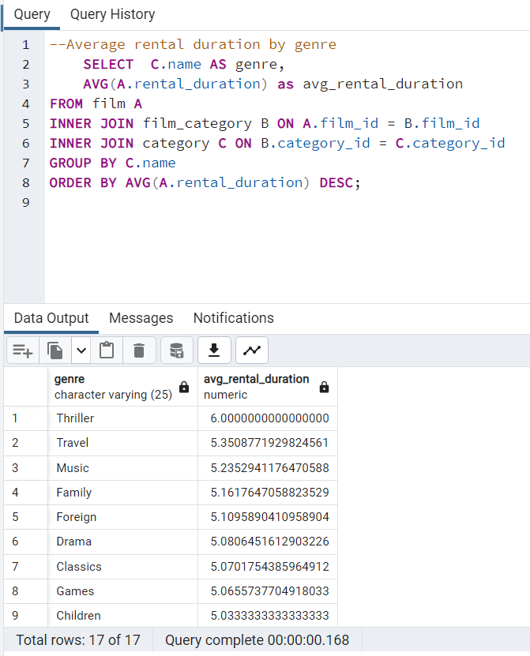
genre | avg_rental_duration
Thriller | 6
Travel | 5.350877193
Music | 5.2352941176
Family | 5.1617647059
Foreign | 5.1095890411
Drama | 5.0806451613 | SELECT | C.name AS genre,
Classics | 5.0701754386 |  | AVG(A.rental_duration) as avg_rental_duration
Games | 5.0655737705 | FROM film A
Children | 5.0333333333 | INNER JOIN film_category B ON A.film_id = B.film_id
Action | 4.953125 | INNER JOIN category C ON B.category_id = C.category_id
Comedy | 4.9310344828 | GROUP BY C.name
Animation | 4.8939393939 | ORDER BY AVG(A.rental_duration) DESC;
Sci-Fi | 4.8852459016
Horror | 4.8571428571
Documentary | 4.7647058824
New | 4.746031746
Sports | 4.7162162162

Genre revenue
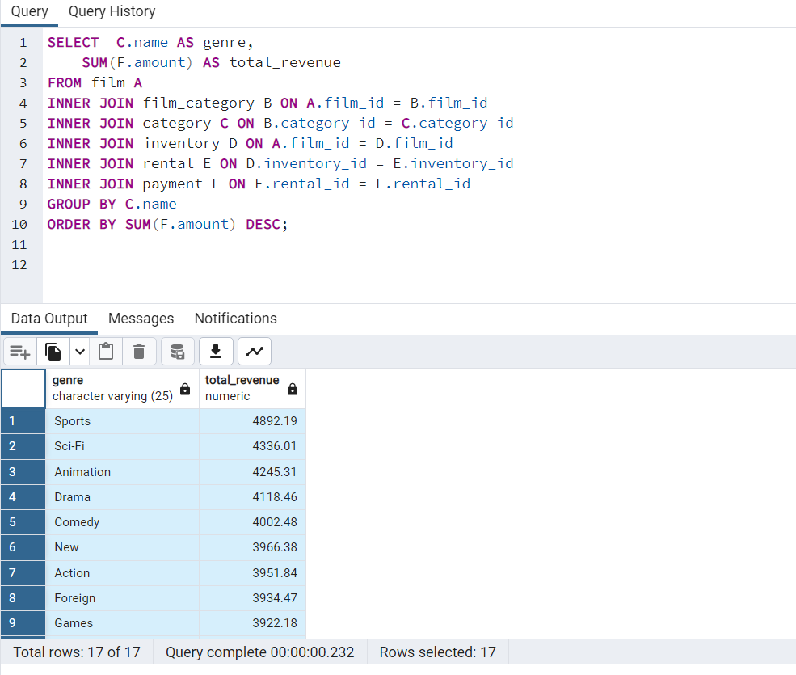
genre | total_revenue
Sports | 4892.19
Sci-Fi | 4336.01
Animation | 4245.31
Drama | 4118.46
Comedy | 4002.48 | SELECT | C.name AS genre,
New | 3966.38 |  | SUM(F.amount) AS total_revenue
Action | 3951.84 | FROM film A
Foreign | 3934.47 | INNER JOIN film_category B ON A.film_id = B.film_id
Games | 3922.18 | INNER JOIN category C ON B.category_id = C.category_id
Family | 3782.26 | INNER JOIN inventory D ON A.film_id = D.film_id
Documentary | 3749.65 | INNER JOIN rental E ON D.inventory_id = E.inventory_id
Horror | 3401.27 | INNER JOIN payment F ON E.rental_id = F.rental_id
Classics | 3353.38 | GROUP BY C.name
Children | 3309.39 | ORDER BY SUM(F.amount) DESC;
Travel | 3227.36
Music | 3071.52
Thriller | 47.89

Countries
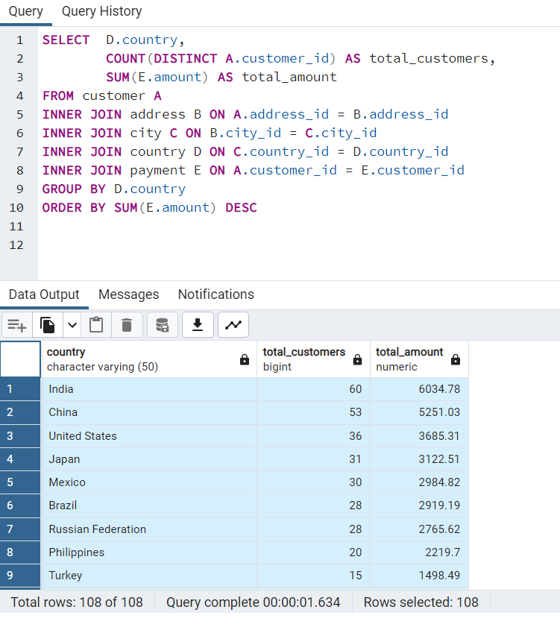
country | total_customers | total_amount
India | 60 | 6034.78
China | 53 | 5251.03
United States | 36 | 3685.31 | SELECT | D.country,
Japan | 31 | 3122.51 |  |  | COUNT(DISTINCT A.customer_id) AS total_customers,
Mexico | 30 | 2984.82 |  |  | SUM(E.amount) AS total_amount
Brazil | 28 | 2919.19 | FROM customer A
Russian Federation | 28 | 2765.62 | INNER JOIN address B ON A.address_id = B.address_id
Philippines | 20 | 2219.7 | INNER JOIN city C ON B.city_id = C.city_id
Turkey | 15 | 1498.49 | INNER JOIN country D ON C.country_id = D.country_id
Indonesia | 14 | 1352.69 | INNER JOIN payment E ON A.customer_id = E.customer_id
Nigeria | 13 | 1314.92 | GROUP BY D.country
Argentina | 13 | 1298.8 | ORDER BY SUM(E.amount) DESC
Taiwan | 10 | 1155.1
South Africa | 11 | 1069.46
Iran | 8 | 877.96
United Kingdom | 9 | 850.96
Poland | 8 | 786.16
Italy | 7 | 753.26
Germany | 7 | 741.24
Vietnam | 6 | 676.45
Ukraine | 6 | 675.53
Colombia | 6 | 661.54
Egypt | 6 | 659.48
Venezuela | 7 | 632.43
Canada | 5 | 559.7
Netherlands | 5 | 557.73
South Korea | 5 | 527.77
Spain | 5 | 513.8
Yemen | 4 | 473.93
Pakistan | 5 | 473.84
Saudi Arabia | 5 | 452.94
Peru | 4 | 407.01
Thailand | 3 | 401.08
Israel | 4 | 379.13
Ecuador | 3 | 369.18
Bangladesh | 3 | 353.19
Algeria | 3 | 349.18
France | 4 | 334.12
Malaysia | 3 | 330.23
Tanzania | 3 | 322.22
Mozambique | 3 | 315.25
United Arab Emirates | 3 | 305.25
Dominican Republic | 3 | 304.26
Chile | 3 | 303.34
Austria | 3 | 284.3
Morocco | 3 | 274.35
Paraguay | 3 | 273.4
Belarus | 2 | 271.36
Latvia | 2 | 249.43
Switzerland | 3 | 248.41
Kenya | 2 | 245.49
Yugoslavia | 2 | 233.49
Puerto Rico | 2 | 224.48
Romania | 2 | 218.42
Runion | 1 | 211.55
French Polynesia | 2 | 205.52
Greece | 2 | 204.54
Sudan | 2 | 202.51
Azerbaijan | 2 | 198.53
Bulgaria | 2 | 194.52
Kazakstan | 2 | 192.51
Angola | 2 | 187.55
Cameroon | 2 | 186.49
Myanmar | 2 | 179.53
Cambodia | 2 | 179.51
Bolivia | 2 | 178.56
Congo, The Democratic Republic of the | 2 | 168.58
Oman | 2 | 161.56
Holy See (Vatican City State) | 1 | 146.68
Nauru | 1 | 143.7
Sweden | 1 | 139.67
Czech Republic | 1 | 132.72
Moldova | 1 | 127.66
Turkmenistan | 1 | 126.74
Chad | 1 | 122.72
Malawi | 1 | 121.73
Zambia | 1 | 121.7
Virgin Islands, U.S. | 1 | 121.69
Greenland | 1 | 119.72
Armenia | 1 | 118.75
Gambia | 1 | 114.73
Iraq | 1 | 111.73
Hungary | 1 | 111.71
Bahrain | 1 | 108.76
North Korea | 1 | 107.71
Brunei | 1 | 107.66
Kuwait | 1 | 106.75
Estonia | 1 | 105.72
Hong Kong | 1 | 104.76
Sri Lanka | 1 | 103.73
Liechtenstein | 1 | 99.74
Anguilla | 1 | 99.68
French Guiana | 1 | 97.8
Faroe Islands | 1 | 96.76
Senegal | 1 | 95.76
Nepal | 1 | 93.83
Tuvalu | 1 | 93.78
Madagascar | 1 | 92.79
Ethiopia | 1 | 91.77
New Zealand | 1 | 85.77
Slovakia | 1 | 80.77
Finland | 1 | 78.79
Tunisia | 1 | 73.78
Afghanistan | 1 | 67.82
Tonga | 1 | 64.84
Saint Vincent and the Grenadines | 1 | 64.82
Lithuania | 1 | 63.78
American Samoa | 1 | 47.85

Customers
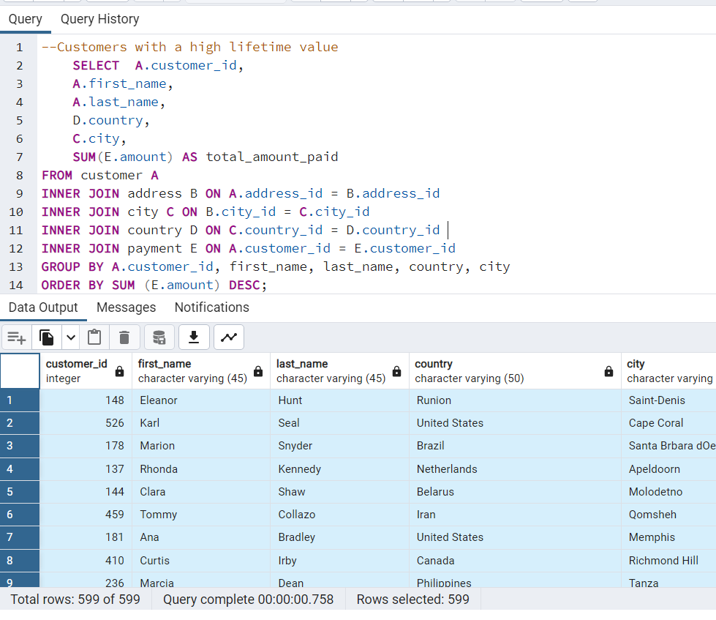
customer_id | first_name | last_name | country | city | total_amount_paid
148 | Eleanor | Hunt | Runion | Saint-Denis | 211.55
526 | Karl | Seal | United States | Cape Coral | 208.58
178 | Marion | Snyder | Brazil | Santa Brbara dOeste | 194.61
137 | Rhonda | Kennedy | Netherlands | Apeldoorn | 191.62 |  | SELECT | A.customer_id,
144 | Clara | Shaw | Belarus | Molodetno | 189.6 |  | A.first_name,
459 | Tommy | Collazo | Iran | Qomsheh | 183.63 |  | A.last_name,
181 | Ana | Bradley | United States | Memphis | 167.67 |  | D.country,
410 | Curtis | Irby | Canada | Richmond Hill | 167.62 |  | C.city,
236 | Marcia | Dean | Philippines | Tanza | 166.61 |  | SUM(E.amount) AS total_amount_paid
403 | Mike | Way | India | Valparai | 162.67 | FROM customer A
522 | Arnold | Havens | Philippines | Santa Rosa | 161.68 | INNER JOIN address B ON A.address_id = B.address_id
469 | Wesley | Bull | Spain | Ourense (Orense) | 158.65 | INNER JOIN city C ON B.city_id = C.city_id
470 | Gordon | Allard | Yemen | Hodeida | 157.69 | INNER JOIN country D ON C.country_id = D.country_id
373 | Louis | Leone | Philippines | Tanauan | 156.66 | INNER JOIN payment E ON A.customer_id = E.customer_id
259 | Lena | Jensen | India | Halisahar | 154.7 | GROUP BY A.customer_id, first_name, last_name, country, city
468 | Tim | Cary | India | Bijapur | 154.66 | ORDER BY SUM (E.amount) DESC;
462 | Warren | Sherrod | Russian Federation | Usolje-Sibirskoje | 152.69
372 | Steve | Mackenzie | Indonesia | Probolinggo | 152.68
187 | Brittany | Riley | Ukraine | Sumy | 151.73
550 | Guy | Brownlee | China | Zhoushan | 151.69
176 | June | Carroll | Algeria | Skikda | 151.68
532 | Neil | Renner | Vietnam | Cam Ranh | 149.69
75 | Tammy | Sanders | Taiwan | Changhwa | 149.61
209 | Tonya | Chapman | India | Bhilwara | 147.71
86 | Jacqueline | Long | Thailand | Songkhla | 146.68
21 | Michelle | Clark | Bangladesh | Tangail | 146.68
26 | Jessica | Hall | Holy See (Vatican City State) | Citt del Vaticano | 146.68
211 | Stacey | Montgomery | China | Fuyu | 146.67
346 | Arthur | Simpkins | Russian Federation | Maikop | 145.7 | customer_id | First Name | Last Name | Country | Total Spent
366 | Brandon | Huey | Turkey | Balikesir | 145.64 | 148 | Eleanor | Hunt | Reunion | 211.55
50 | Diane | Collins | Sudan | Omdurman | 144.7 | 526 | Karl | Seal | United States | 208.58
360 | Ralph | Madrigal | Puerto Rico | Arecibo | 144.68 | 178 | Marion | Snyder | Brazil | 194.61
348 | Roger | Quintanilla | Taiwan | Hsichuh | 144.66 | 137 | Rhonda | Kennedy | Netherlands | 191.62
513 | Duane | Tubbs | Nauru | Yangor | 143.7 | 144 | Clara | Shaw | Belarus | 189.6
454 | Alex | Gresham | Mexico | Uruapan | 143.68 | 459 | Tommy | Collazo | Iran | 183.63
347 | Ryan | Salisbury | Latvia | Daugavpils | 142.7 | 181 | Ana | Bradley | United States | 167.67
390 | Shawn | Heaton | Thailand | Nakhon Sawan | 142.69 | 410 | Curtis | Irby | Canada | 167.62
267 | Margie | Wade | China | Lengshuijiang | 142.67 | 236 | Marcia | Dean | Philippines | 166.61
257 | Marsha | Douglas | Mozambique | Beira | 142.66 | 403 | Mike | Way | India | 162.67
39 | Debra | Nelson | Brazil | Vila Velha | 141.71
78 | Lori | Wood | India | Rae Bareli | 141.69
362 | Nicholas | Barfield | Brazil | Belm | 140.69
363 | Roy | Whiting | Kenya | Nyeri | 139.72
368 | Harry | Arce | Iran | Najafabad | 139.69
119 | Sherry | Marshall | Egypt | Shubra al-Khayma | 139.69
66 | Janice | Ward | Sweden | Malm | 139.67
237 | Tanya | Gilbert | South Korea | Naju | 138.69
29 | Angela | Hernandez | Japan | Shimonoseki | 138.65
87 | Wanda | Patterson | Colombia | Sincelejo | 137.72
80 | Marilyn | Ross | Nigeria | Ife | 137.7
439 | Alexander | Fennell | Italy | Bergamo | 137.67
558 | Jimmie | Eggleston | Poland | Wroclaw | 135.72
494 | Ramon | Choate | Ecuador | Robamba | 135.7
576 | Morris | Mccarter | Taiwan | Fengshan | 135.68
591 | Kent | Arsenault | Brazil | Juiz de Fora | 134.73
467 | Alvin | Deloach | Mexico | Cuauhtmoc | 134.72
479 | Zachary | Hite | United States | Akron | 134.71
210 | Ella | Oliver | Yemen | Aden | 134.7
120 | Sylvia | Ortiz | Colombia | Dos Quebradas | 134.7
204 | Rosemary | Schmidt | Turkey | Usak | 134.69
15 | Helen | Harris | India | Bhopal | 134.68
5 | Elizabeth | Brown | Taiwan | Nantou | 134.65
349 | Joe | Gilliland | Philippines | Imus | 133.72
404 | Stanley | Scroggins | Japan | Omiya | 133.71
172 | Bernice | Willis | Turkey | Batman | 133.7
197 | Sue | Peters | China | Changzhou | 133.68
265 | Jennie | Terry | Czech Republic | Olomouc | 132.72
533 | Jessie | Milam | China | Binzhou | 132.7
380 | Russell | Brinson | Poland | Tychy | 132.65
472 | Greg | Robins | Vietnam | Nam Dinh | 131.74
13 | Karen | Jackson | Turkey | Osmaniye | 131.73
125 | Ethel | Webb | South Africa | Boksburg | 131.69
46 | Catherine | Campbell | Russian Federation | Moscow | 131.69
3 | Linda | Williams | Greece | Athenai | 130.76
273 | Priscilla | Lowe | Mexico | Salamanca | 130.72
7 | Maria | Miller | Yugoslavia | Kragujevac | 130.72
502 | Brett | Cornwell | India | Siliguri (Shiliguri) | 130.7
342 | Harold | Martino | Brazil | Boa Vista | 130.68
566 | Casey | Mena | Turkey | Tokat | 130.68
112 | Rosa | Reynolds | United States | Lancaster | 129.72
560 | Jordan | Archuleta | Argentina | Avellaneda | 129.71
102 | Crystal | Ford | Israel | Ashdod | 129.7
168 | Regina | Berry | China | Jinchang | 129.68
484 | Roberto | Vu | China | Yinchuan | 128.73
242 | Glenda | Frazier | China | Qinhuangdao | 128.71
103 | Gladys | Hamilton | Nigeria | Ilorin | 128.71
84 | Sara | Perry | Mexico | Atlixco | 128.7
196 | Alma | Austin | Germany | Mannheim | 128.69
448 | Miguel | Betancourt | Germany | Erlangen | 127.73
221 | Bessie | Morrison | Italy | Syrakusa | 127.73
520 | Mitchell | Westmoreland | Vietnam | Nha Trang | 127.69
141 | Debbie | Reyes | Japan | Fukuyama | 127.69
38 | Martha | Gonzalez | Moldova | Chisinau | 127.66
200 | Jeanne | Lawson | Turkmenistan | Ashgabat | 126.74
436 | Troy | Quigley | Canada | Vancouver | 126.73
206 | Terri | Vasquez | Brazil | Blumenau | 126.73
146 | Jamie | Rice | United States | Sterling Heights | 126.73
108 | Tracy | Cole | Mexico | Huixquilucan | 126.72
114 | Grace | Ellis | Germany | Duisburg | 126.7
482 | Maurice | Crawley | Mexico | Coatzacoalcos | 125.74
426 | Bradley | Motley | India | Purnea (Purnia) | 125.74
295 | Daisy | Bates | Russian Federation | Kolpino | 125.72
147 | Joanne | Robertson | Japan | Urawa | 125.68
354 | Justin | Ngo | Brazil | Santo Andr | 125.67
45 | Janet | Phillips | Chile | Antofagasta | 124.74
89 | Julia | Flores | Argentina | La Plata | 124.71
198 | Elsie | Kelley | Nigeria | Ikerre | 124.68
129 | Carrie | Porter | China | Liaocheng | 124.66
2 | Patricia | Johnson | United States | San Bernardino | 123.74
300 | John | Farnsworth | India | Parbhani | 123.74
506 | Leslie | Seward | Indonesia | Pontianak | 123.72
371 | Billy | Poulin | Philippines | Cabuyao | 123.71
51 | Alice | Stewart | United States | Fontana | 123.7
27 | Shirley | Allen | Philippines | Davao | 123.7
30 | Melissa | King | Taiwan | Lungtan | 123.66
434 | Eddie | Tomlin | Philippines | Ozamis | 122.74
92 | Tina | Simmons | Brazil | Goinia | 122.74
535 | Javier | Elrod | Chad | NDjamna | 122.72
163 | Cathy | Spencer | Japan | Kakamigahara | 122.71
244 | Viola | Hanson | Philippines | Lapu-Lapu | 122.7
473 | Jorge | Olivares | Indonesia | Lhokseumawe | 122.69
508 | Milton | Howland | India | Vijayawada | 121.77
166 | Lynn | Payne | Malawi | Lilongwe | 121.73
497 | Gilbert | Sledge | United Kingdom | York | 121.73
451 | Jim | Rea | Mexico | El Fuerte | 121.7
438 | Barry | Lovelace | Zambia | Kitwe | 121.7
406 | Nathan | Runyon | Virgin Islands, U.S. | Charlotte Amalie | 121.69
491 | Rick | Mattox | Egypt | Mit Ghamr | 120.75
423 | Alfred | Casillas | Egypt | Sawhaj | 120.74
179 | Dana | Hart | Russian Federation | Kirovo-Tepetsk | 120.74
499 | Marc | Outlaw | Italy | Brindisi | 120.71
122 | Thelma | Murray | Peru | Lima | 120.7
59 | Cheryl | Murphy | India | Mysore | 119.76
389 | Alan | Kahn | China | Emeishan | 119.75
487 | Hector | Poindexter | Russian Federation | Pjatigorsk | 119.74
207 | Gertrude | Castillo | Greenland | Nuuk | 119.72
306 | Charles | Kowalski | Malaysia | Sungai Petani | 119.72
82 | Kathryn | Coleman | Ukraine | Simferopol | 118.76
589 | Tracy | Herrmann | Ecuador | Loja | 118.75
41 | Stephanie | Mitchell | Armenia | Yerevan | 118.75
565 | Jaime | Nettles | Peru | Hunuco | 118.73
35 | Virginia | Green | France | Toulouse | 118.7
128 | Marjorie | Tucker | Poland | Jastrzebie-Zdrj | 118.7
230 | Joy | George | Romania | Botosani | 118.69
583 | Marshall | Thorn | United Kingdom | Southampton | 117.77
285 | Miriam | Mckinney | Japan | Otsu | 117.77
585 | Perry | Swafford | Argentina | Quilmes | 117.76
504 | Nathaniel | Adam | United States | Joliet | 117.75
421 | Lee | Hawks | India | Pudukkottai | 117.75
573 | Byron | Box | Kazakstan | Zhezqazghan | 117.72
49 | Joyce | Edwards | Saudi Arabia | Jedda | 116.76
149 | Valerie | Black | United States | Brockton | 116.75
253 | Terry | Carlson | Japan | Miyakonojo | 116.74
274 | Naomi | Jennings | India | Karnal | 116.73
263 | Hilda | Hopkins | Philippines | Mandaluyong | 116.73
71 | Kathy | James | Philippines | Baybay | 116.72
356 | Gerald | Fultz | India | Satna | 116.71
56 | Gloria | Cook | French Polynesia | Papeete | 115.74
512 | Cecil | Vines | United Kingdom | London | 115.74
529 | Erik | Guillen | India | Bhimavaram | 115.72
393 | Philip | Causey | Russian Federation | Korolev | 115.71
158 | Veronica | Stone | United States | Greensboro | 115.7
279 | Dianne | Shelton | Iran | Tabriz | 114.76
54 | Teresa | Rogers | Japan | Iwakuni | 114.74
262 | Patsy | Davidson | Ecuador | Portoviejo | 114.73
584 | Salvador | Teel | Gambia | Banjul | 114.73
388 | Craig | Morrell | Philippines | Cavite | 114.72
107 | Florence | Woods | Argentina | Merlo | 114.72
1 | Mary | Smith | Japan | Sasebo | 114.7
433 | Don | Bone | Mozambique | Naala-Porto | 113.77
309 | Christopher | Greco | Italy | Brescia | 113.75
302 | Michael | Silverman | China | Tiefa | 113.74
266 | Nora | Herrera | Austria | Salzburg | 113.74
139 | Amber | Dixon | Taiwan | Touliu | 113.73
569 | Dave | Gardiner | China | Leshan | 113.73
416 | Jeffery | Pinson | Pakistan | Dadu | 113.72
314 | George | Linton | Brazil | Sorocaba | 113.71
260 | Christy | Vargas | China | Datong | 113.7
540 | Tyrone | Asher | Bulgaria | Ruse | 112.76
582 | Andy | Vanhorn | Mexico | Huejutla de Reyes | 112.76
63 | Ashley | Richardson | United States | Lincoln | 112.75
32 | Amy | Lopez | India | Jhansi | 112.74
131 | Monica | Hicks | Ukraine | Mukateve | 112.73
485 | Clyde | Tobias | China | Shaoguan | 112.72
453 | Calvin | Martel | Venezuela | Maracabo | 111.77
225 | Arlene | Harvey | India | Ambattur | 111.76
337 | Jerry | Jordon | Japan | Onomichi | 111.76
577 | Clifton | Malcolm | Taiwan | Tanshui | 111.74
579 | Daryl | Larue | Iraq | Mosul | 111.73
173 | Audrey | Ray | Austria | Graz | 111.73
113 | Cindy | Fisher | Venezuela | Cuman | 111.73
186 | Holly | Fox | India | Haldia | 111.71
592 | Terrance | Roush | Hungary | Szkesfehrvr | 111.71
42 | Carolyn | Perez | Thailand | Pak Kret | 111.71
531 | Jamie | Waugh | Japan | Kuwana | 110.77
495 | Charlie | Bess | China | Baiyin | 110.76
258 | Myrtle | Fleming | Dominican Republic | Santiago de los Caballeros | 110.76
515 | Andre | Rapp | Chile | Coquimbo | 110.74
213 | Gina | Williamson | Yemen | Taizz | 110.73
154 | Michele | Grant | China | Yuncheng | 110.73
559 | Everett | Banda | Egypt | Bilbays | 110.72
90 | Ruby | Washington | China | Meixian | 110.72
595 | Terrence | Gunderson | China | Jinzhou | 110.71
241 | Heidi | Larson | China | Xiangfan | 110.68
170 | Beatrice | Arnold | India | Udaipur | 109.77
536 | Fernando | Churchill | South Korea | Tonghae | 109.77
575 | Isaac | Oglesby | Mexico | Cuernavaca | 109.76
220 | Charlene | Alvarez | Tanzania | Zanzibar | 109.75
16 | Sandra | Martin | United Kingdom | Southend-on-Sea | 109.75
376 | Randy | Gaither | Russian Federation | Kurgan | 109.73
447 | Clifford | Bowens | Russian Federation | Nabereznyje Telny | 109.73
538 | Ted | Breaux | China | Baicheng | 109.73
446 | Theodore | Culp | India | Uluberia | 109.72
481 | Herman | Devore | Tanzania | Mwanza | 109.72
386 | Todd | Tan | Ukraine | Kamjanets-Podilskyi | 109.72
424 | Kyle | Spurlock | China | Shanwei | 109.71
284 | Sonia | Gregory | Nigeria | Benin City | 108.78
594 | Eduardo | Hiatt | China | Jining | 108.77
277 | Olga | Jimenez | Nigeria | Ogbomosho | 108.76
590 | Seth | Hannon | Bahrain | al-Manama | 108.76
334 | Raymond | Mcwhorter | Azerbaijan | Sumqayit | 108.75
518 | Gabriel | Harder | Turkey | Sivas | 108.75
574 | Julian | Vest | Japan | Akishima | 108.73
239 | Minnie | Romero | Indonesia | Ciomas | 108.72
167 | Sally | Pierce | India | Chandrapur | 108.71
293 | Mae | Fletcher | Spain | Donostia-San Sebastin | 107.79
571 | Johnnie | Chisholm | Poland | Plock | 107.78
427 | Jesus | Mccartney | Brazil | Guaruj | 107.77
332 | Stephen | Qualls | Bangladesh | Dhaka | 107.74
588 | Marion | Ocampo | China | Weifang | 107.73
145 | Lucille | Holmes | South Africa | Soshanguve | 107.73
441 | Mario | Cheatham | Algeria | Batna | 107.73
157 | Darlene | Rose | North Korea | Pyongyang | 107.71
254 | Maxine | Silva | Brazil | Poos de Caldas | 107.7
418 | Jeff | East | Dominican Republic | San Felipe de Puerto Plata | 107.7
91 | Lois | Butler | Brunei | Bandar Seri Begawan | 107.66
477 | Dan | Paine | United Kingdom | Stockport | 106.79
240 | Marlene | Welch | Japan | Iwaki | 106.77
343 | Douglas | Graf | Mexico | Mexicali | 106.77
155 | Gail | Knight | Switzerland | Bern | 106.76
234 | Claudia | Fuller | Kuwait | Jalib al-Shuyukh | 106.75
471 | Dean | Sauer | South Africa | Johannesburg | 106.74
116 | Victoria | Gibson | Indonesia | Pemalang | 106.74
23 | Sarah | Lewis | Latvia | Liepaja | 106.73
457 | Bill | Gavin | United States | Rockford | 106.73
160 | Erin | Dunn | Russian Federation | Ljubertsy | 106.73
52 | Julie | Sanchez | Spain | A Corua (La Corua) | 106.72
138 | Hazel | Warren | China | Hohhot | 106.68
331 | Eric | Robert | Argentina | Santa F | 105.78
127 | Elaine | Stevens | Russian Federation | Smolensk | 105.78
490 | Sam | Mcduffie | Colombia | Sogamoso | 105.78
193 | Katie | Elliott | Kenya | Kisumu | 105.77
294 | Shelly | Watts | United States | Dayton | 105.77
58 | Jean | Bell | Malaysia | Kuching | 105.76
400 | Bryan | Hardison | United States | Dallas | 105.76
40 | Amanda | Carter | Morocco | Nador | 105.74
396 | Earl | Shanks | Japan | Iwatsuki | 105.74
96 | Diana | Alexander | United States | Augusta-Richmond County | 105.73
444 | Marcus | Hidalgo | Estonia | Tartu | 105.72
28 | Cynthia | Young | India | Munger (Monghyr) | 105.7
345 | Carl | Artis | Paraguay | San Lorenzo | 104.79
493 | Brent | Harkins | Turkey | Sultanbeyli | 104.78
289 | Violet | Rodriquez | Hong Kong | Kowloon and New Kowloon | 104.76
171 | Dolores | Wagner | Malaysia | Ipoh | 104.75
121 | Josephine | Gomez | India | Etawah | 104.75
407 | Dale | Ratcliff | South Africa | Rustenburg | 104.74
31 | Brenda | Wright | India | Kamarhati | 104.74
25 | Deborah | Walker | Pakistan | Shikarpur | 104.73
397 | Jimmy | Schrader | Russian Federation | Atinsk | 104.72
442 | Leroy | Bustamante | China | Tongliao | 104.71
341 | Peter | Menard | Netherlands | Ede | 103.78
296 | Ramona | Hale | India | Patiala | 103.77
280 | Tracey | Barrett | Nigeria | Owo | 103.77
214 | Kristin | Johnston | United States | Sunnyvale | 103.74
202 | Carla | Gutierrez | India | Bhusawal | 103.74
245 | Courtney | Day | South Korea | Uijongbu | 103.74
20 | Sharon | Robinson | Pakistan | Mardan | 103.73
408 | Manuel | Murrell | Sri Lanka | Jaffna | 103.73
292 | Misty | Lambert | United Arab Emirates | Sharja | 102.78
510 | Ben | Easter | Russian Federation | Kamyin | 102.77
553 | Max | Pitt | Yugoslavia | Novi Sad | 102.77
587 | Sergio | Stanfield | Mexico | Celaya | 102.76
98 | Lillian | Griffin | United Arab Emirates | al-Ayn | 102.76
126 | Ellen | Simpson | Brazil | Po | 102.75
190 | Yolanda | Weaver | Tanzania | Tabora | 102.75
44 | Marie | Turner | Russian Federation | Lipetsk | 101.79
466 | Leo | Ebert | China | Dongying | 101.78
100 | Robin | Hayes | Russian Federation | Jelets | 101.77
593 | Rene | Mcalister | United States | Garden Grove | 101.76
405 | Leonard | Schofield | Argentina | Tandil | 101.7
486 | Glen | Talbert | Mexico | Acua | 100.77
572 | Sidney | Burleson | Poland | Czestochowa | 100.76
517 | Brad | Mccurdy | Taiwan | Chungho | 100.76
219 | Willie | Howell | Argentina | Vicente Lpez | 100.75
251 | Vickie | Brewer | Germany | Halle/Saale | 100.75
135 | Juanita | Mason | India | Pune | 100.72
519 | Ron | Deluca | Japan | Isesaki | 99.78
11 | Lisa | Anderson | Japan | Sagamihara | 99.77
297 | Sherri | Rhodes | India | Ahmadnagar | 99.74
57 | Evelyn | Morgan | Liechtenstein | Vaduz | 99.74
563 | Ken | Prewitt | Romania | Bucuresti | 99.73
503 | Angel | Barclay | Japan | Ueda | 99.72
452 | Tom | Milner | United Arab Emirates | Abu Dhabi | 99.71
381 | Bobby | Boudreau | Anguilla | South Hill | 99.68
19 | Ruth | Martinez | South Africa | Kimberley | 98.82
329 | Frank | Waggoner | Bangladesh | Jamalpur | 98.77
175 | Annette | Olson | India | Allappuzha (Alleppey) | 98.76
537 | Clinton | Buford | United States | Aurora | 98.76
374 | Jeremy | Hurtado | Brazil | Vitria de Santo Anto | 98.75
264 | Gwendolyn | May | Japan | Higashiosaka | 98.75
425 | Francis | Sikes | Mexico | San Juan Bautista Tuxtepec | 98.75
580 | Ross | Grey | Philippines | Iligan | 98.74
65 | Rose | Howard | French Guiana | Cayenne | 97.8
367 | Adam | Gooch | India | Adoni | 97.8
460 | Leon | Bostic | Colombia | Florencia | 97.79
475 | Pedro | Chestnut | Ukraine | ostka | 97.78
562 | Wallace | Slone | Nigeria | Sokoto | 97.78
409 | Rodney | Moeller | Nigeria | Deba Habe | 97.78
192 | Laurie | Lawrence | India | Firozabad | 97.78
123 | Shannon | Freeman | India | Varanasi (Benares) | 97.77
581 | Virgil | Wofford | Mexico | Jos Azueta | 97.75
256 | Mabel | Holland | Myanmar | Monywa | 97.75
268 | Nina | Soto | India | Palghat (Palakkad) | 96.79
379 | Carlos | Coughlin | India | Bhavnagar | 96.79
269 | Cassandra | Walters | United States | Salinas | 96.79
83 | Louise | Jenkins | South Africa | Springs | 96.78
352 | Albert | Crouse | Cameroon | Bamenda | 96.78
414 | Vincent | Ralston | Mexico | Allende | 96.77
14 | Betty | White | United States | Citrus Heights | 96.77
445 | Micheal | Forman | Argentina | Escobar | 96.76
317 | Edward | Baugh | Faroe Islands | Trshavn | 96.76
286 | Velma | Lucas | Nigeria | Effon-Alaiye | 96.76
422 | Melvin | Ellington | China | Laohekou | 96.75
500 | Reginald | Kinder | Indonesia | Madiun | 96.75
74 | Denise | Kelly | Brazil | Rio Claro | 96.74
554 | Dwayne | Olvera | India | Rajkot | 95.8
578 | Willard | Lumpkin | Mexico | Carmen | 95.79
106 | Connie | Wallace | Russian Federation | Ivanovo | 95.79
541 | Darren | Windham | Italy | Livorno | 95.78
324 | Gary | Coy | China | Yuzhou | 95.78
488 | Shane | Millard | Mexico | La Paz | 95.78
180 | Stacy | Cunningham | Colombia | Pereira | 95.78
456 | Ronnie | Ricketts | Senegal | Ziguinchor | 95.76
199 | Beth | Franklin | Vietnam | Haiphong | 95.76
339 | Walter | Perryman | China | Xinxiang | 95.76
132 | Esther | Crawford | South Africa | Botshabelo | 95.72
22 | Laura | Rodriguez | Morocco | Sal | 94.81
150 | Danielle | Daniels | Mexico | Hidalgo | 94.78
68 | Nicole | Peterson | India | Shivapuri | 94.78
276 | Brandy | Graves | United States | Warren | 94.77
153 | Suzanne | Nichols | Indonesia | Jakarta | 94.76
161 | Geraldine | Perkins | Israel | Tel Aviv-Jaffa | 94.76
546 | Kelly | Knott | China | Sanya | 94.76
10 | Dorothy | Taylor | Iran | Esfahan | 94.76
111 | Carmen | Owens | Venezuela | Caracas | 94.75
321 | Kevin | Schuler | Nepal | Birgunj | 93.83
432 | Edwin | Burk | South Africa | Newcastle | 93.8
528 | Claude | Herzog | Angola | Benguela | 93.8
443 | Francisco | Skidmore | Brazil | So Leopoldo | 93.79
319 | Ronald | Weiner | Mexico | San Felipe del Progreso | 93.79
336 | Joshua | Mark | India | Rampur | 93.78
105 | Dawn | Sullivan | Tuvalu | Funafuti | 93.78
385 | Phillip | Holm | Japan | Tama | 93.76
383 | Martin | Bales | Angola | Namibe | 93.75
229 | Tamara | Nguyen | Brazil | Anpolis | 93.75
377 | Howard | Fortner | Iran | Kermanshah | 93.74
12 | Nancy | Thomas | India | Yamuna Nagar | 93.74
47 | Frances | Parker | Brazil | Juazeiro do Norte | 92.81
307 | Joseph | Joy | Brazil | Angra dos Reis | 92.8
544 | Cody | Nolen | Brazil | So Bernardo do Campo | 92.8
365 | Bruce | Schwarz | Japan | Okinawa | 92.79
81 | Andrea | Henderson | Madagascar | Mahajanga | 92.79
511 | Chester | Benner | China | Suihua | 92.78
431 | Joel | Francisco | Bolivia | Sucre | 92.78
182 | Renee | Lane | United States | Compton | 92.76
516 | Elmer | Noe | Cambodia | Battambang | 92.76
474 | Dustin | Gillette | Netherlands | Emmen | 92.75
188 | Melanie | Armstrong | Philippines | Bayugan | 92.75
275 | Carole | Barnett | United States | Peoria | 92.75
505 | Rafael | Abney | Philippines | Talavera | 91.81
489 | Ricardo | Meador | Japan | Okayama | 91.81
212 | Wilma | Richards | United States | Bellevue | 91.8
37 | Pamela | Baker | China | Nanyang | 91.79
201 | Vicki | Fields | Germany | Witten | 91.78
417 | Travis | Estep | Saudi Arabia | al-Qatif | 91.78
392 | Sean | Douglass | Ethiopia | Addis Abeba | 91.77
323 | Matthew | Mahan | Mexico | Cuautla | 91.75
570 | Ivan | Cromwell | Mexico | Monclova | 91.75
64 | Judith | Cox | China | Daxian | 91.7
216 | Natalie | Meyer | Brazil | Aparecida de Goinia | 90.78
261 | Deanna | Byrd | Philippines | Tuguegarao | 90.78
99 | Emily | Diaz | South Korea | Kimchon | 90.77
36 | Kathleen | Adams | Iran | Arak | 90.75
461 | Derek | Blakely | Philippines | Gingoog | 90.73
552 | Hugh | Waldrop | China | Haining | 89.8
43 | Christine | Roberts | French Polynesia | Faaa | 89.78
333 | Andrew | Purdy | Azerbaijan | Baku | 89.78
364 | Benjamin | Varney | Mexico | Guadalajara | 89.78
...

